Glu target MA
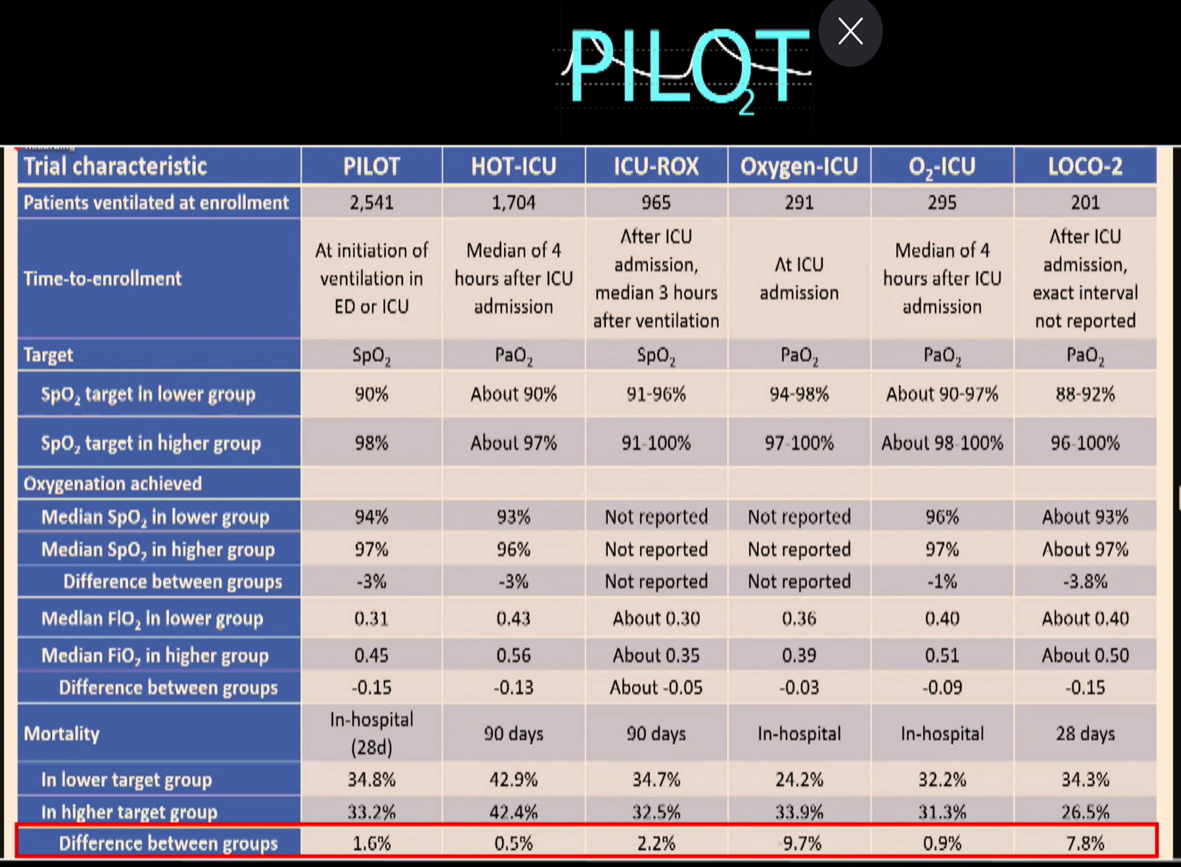
Name | Author | Year | DOI | NumRandomized | NumPatients | NumHighGlu | HighGluDied | HighGluAlive | NumLowGlu | LowGluDied | LowGluAlive | Target | Outcome | Population
Leuven 1 | van den Berghe | 2001 |  | 1548 |  | 774 | 61.92 | 712.08 | 774 | 35.604 | 738.396 | 80-110 | Death in ICU | SICU
Leuven 2 | van den Berghe | 2006 |  | 1200 |  | 600 | 240 | 360 | 600 | 223.8 | 376.2 | 80-110 | Death in Hospital | MICU
VISEP | Brunkhorst | 2008 |  | 537 |  | 268.5 | 69.81 | 198.69 | 268.5 | 66.3195 | 202.1805 | 80-110 | Death at 28 days | ICU
De La Rosa | de la Rosa | 2008 |  | 504 |  | 252 | 81.648 | 170.352 | 252 | 92.232 | 159.768 | 80-110 | Death at 28 days | S/MICU
Arabi | Arabi | 2008 |  | 523 |  | 261.5 | 44.7165 | 216.7835 | 261.5 | 35.3025 | 226.1975 | 80-110 | Death in ICU | S/MICU
Glucocontrol | Preiser | 2009 |  | 1101 |  | 550.5 | 94.686 | 455.814 | 550.5 | 84.2265 | 466.2735 | 80-110 | Death in ICU | ICU
NICE-SUGAR | NICE-SUGAR | 2009 |  | 6104 |  | 3052 | 759.948 | 2292.052 | 3052 | 839.3 | 2212.7 | 80-110 | Death at 90 days | ICU
GLUCO-CABG | Umpierrez | 2015 |  | 302 |  | 151 | 78.52 | 72.48 | 151 | 63.42 | 87.58 | 100-140 | In-hospital complications | SICU
TGC-Fast | TGC-Fast | 2023 |  | 9230 |  | 4615 | 244.595 | 4370.405 | 4615 | 267.67 | 4347.33 | 80-110 | Time to discharge alive from ICU | S/MICU

